Requirements
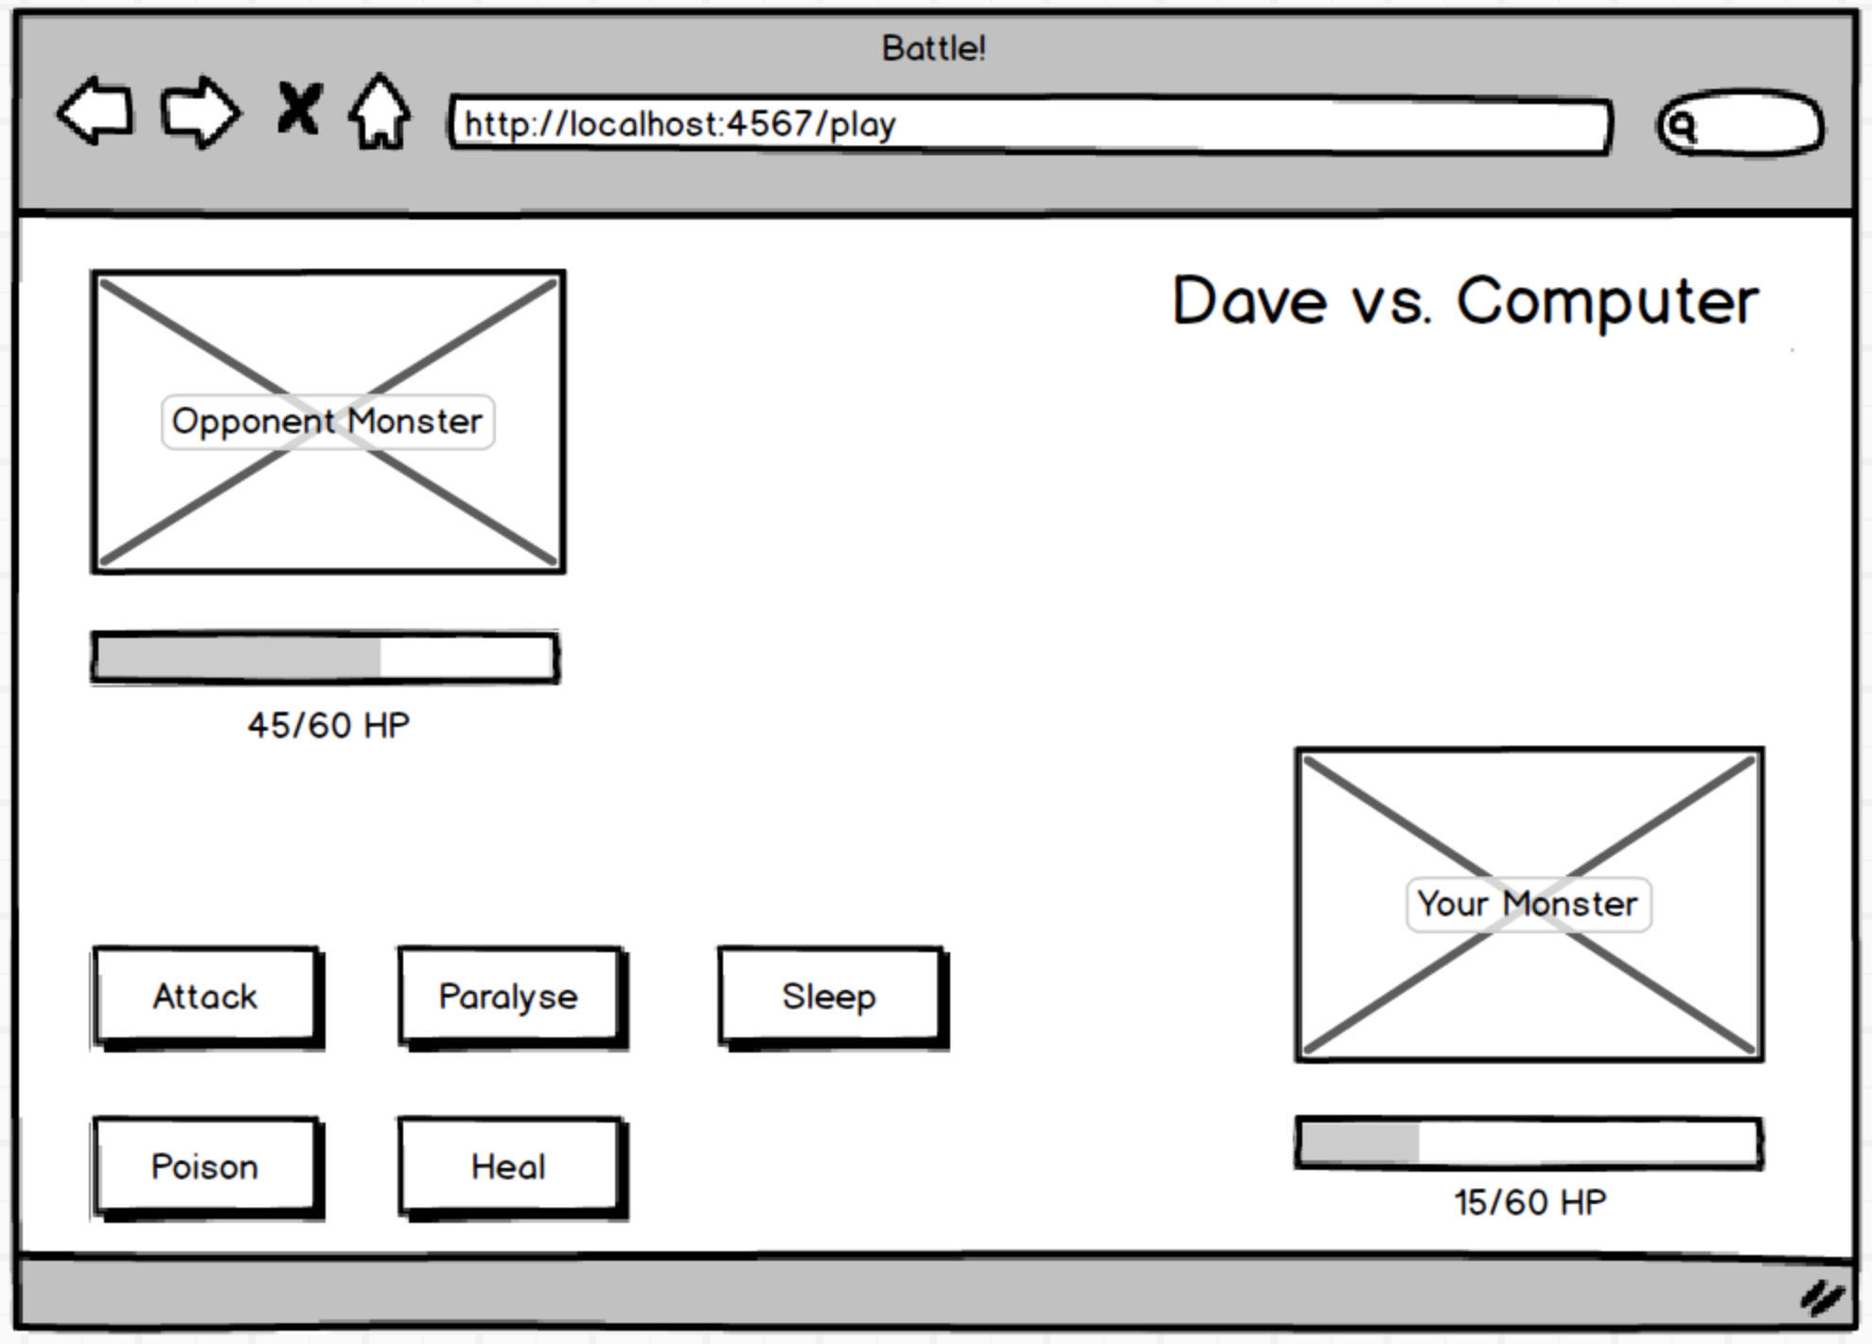
 | Action | From | To | expect |  | Condition
As two Players, | enter |  |  | name | John
So we can play a personalised game of Battle,
We want to Start a fight by entering our Names and seeing them

As Player 1, | show | Player2 |  | points | 60 | initial
So I can see how close I am to winning
I want to see Player 2's Hit Points

As Player 1, | attack | Player1 | Player2 | confirmation
So I can win a game of Battle,
I want to attack Player 2, and I want to get a confirmation

As Player 1, | reduce | Player1 | Player2 | points | 50 | attackced
So I can start to win a game of Battle,
I want my attack to reduce Player 2's HP by 10

As two Players, | switch | Players |  | turn | Player2 | initial
So we can continue our game of Battle, | switch | Players |  | turn | Player1 | next
We want to switch turns

As Player 1, | show | Player1 |  | points | 60 | initial
So I can see how close I am to losing,
I want to see my own hit points

As Player 1, | receive | Player2 | Player1 | confirmation
So I can lose a game of Battle,
I want Player 2 to attack me, and I want to get a confirmation

As Player 1, | attack | Player2 | Player1 | points | 50 | attacked
So I can start to lose a game of Battle,
I want Player 2's attack to reduce my HP by 10

As a Player, | show | Player1 |  | message | Lose | 0 points
So I can Lose a game of Battle, | show | Player2 |  | message | Lose | 0 points
I want to see a 'Lose' message if I reach 0HP first

Diagrams
